ADIDAS CAMPUS
FW24 ADIDAS CAMPUS HQ8708 |  |  |  |  |  |  |  | US | 4 | 4½ | 5 | 5½ | 6 | 6½ | 7 | 7½ | 8 | 8½ | 9 | 9½ | 10 | 10½ | 11 | 11½ | 12 | 12½ | 13 | 13½ | 14 | 14½
Delivery August 2024 |  |  |  |  |  |  |  | UK | 3½ | 4 | 4½ | 5 | 5½ | 6 | 6½ | 7 | 7½ | 8 | 8½ | 9 | 9½ | 10 | 10½ | 11 | 11½ | 12 | 12½ | 13 | 13½ | 14
MINIMUM ORDER 1500 UNITS |  |  |  |  |  |  |  | EURO | 36 | 36½ | 37½ | 38 | 38½ | 39½ | 40 | 40½ | 41½ | 42 | 42½ | 43½ | 44 | 44½ | 45½ | 46 | 46½ | 47½ | 48 | 48½ | 49½ | 50

IMAGE | ARTICLE NUMBER | MODEL DESCRIPTION | COLOUR | ARTICLE BUSINESS SEGMENT | AGE GROUP | SIZE RUN | OFFER PRICE
 | HQ8708 | ADIDAS CAMPUS | Adidas Originals - CAMPUS 00S UNISEX - core black/footwear white/off white | ORIGINALS FTW MEN | ADULT | 3 - 14- | 54.99 |  |  |  |  |  |  |  |  |  |  |  |  |  |  |  |  |  |  |  |  |  |  |  | 0

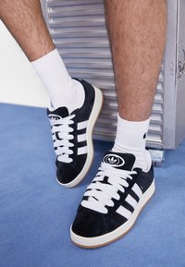
ADIDAS CAMPUS HQ8708
Delivery AUGUST
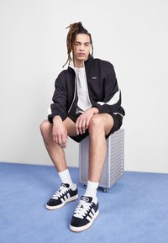
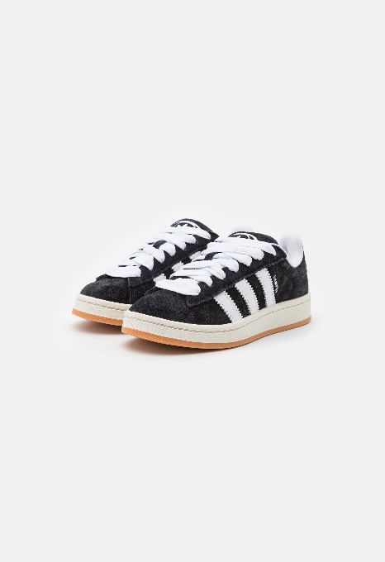
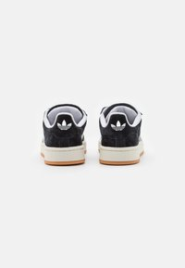
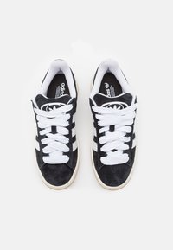
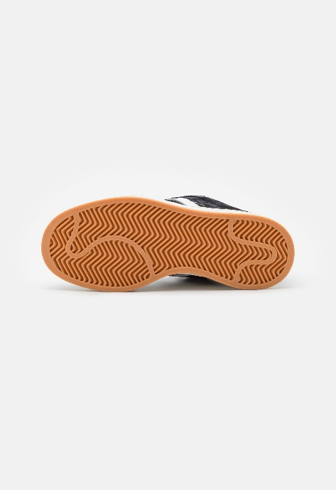
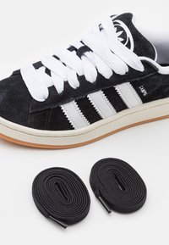

Only 1 model
SP = Special production
Minimum 1500 units

